Assignment 1
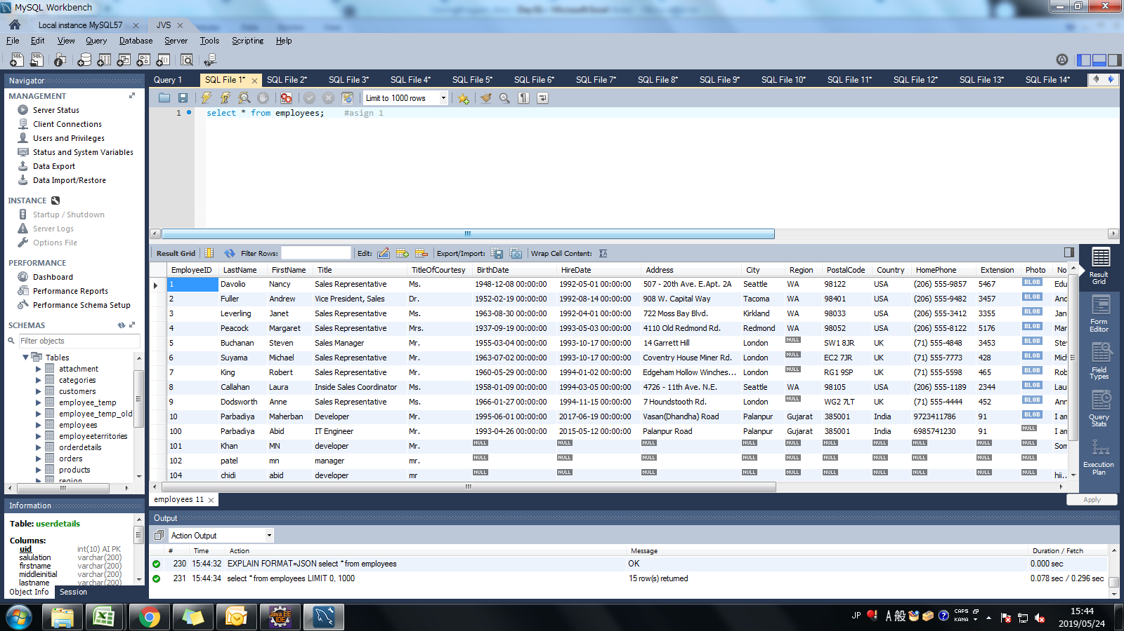
Assignment: | List all the employees from the employee table.

Query: | select * from employees;

Screen Shoot:

Assignment 2
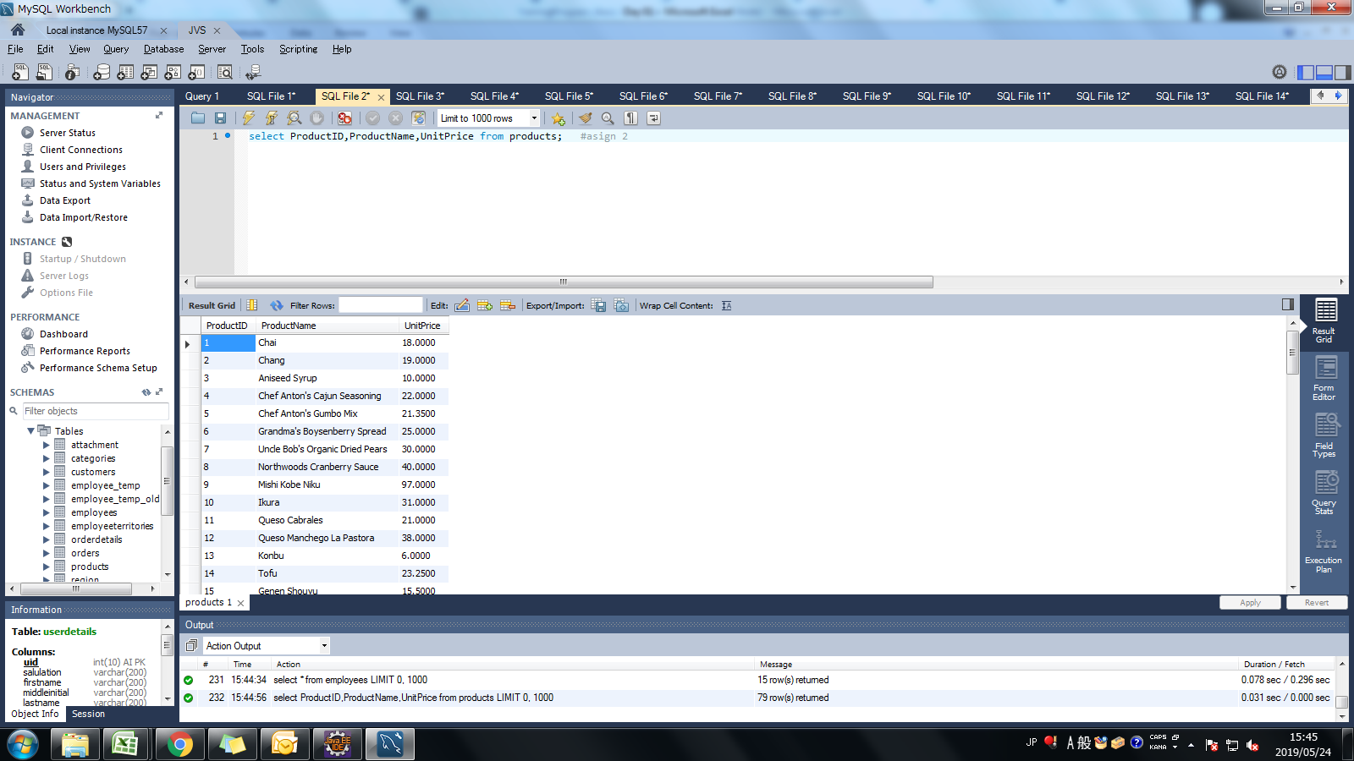
Assignment: | List product id, product name, unit price from products table.

Query: | select ProductID,ProductName,UnitPrice from products;

Screen Shoot:

Assignment 3
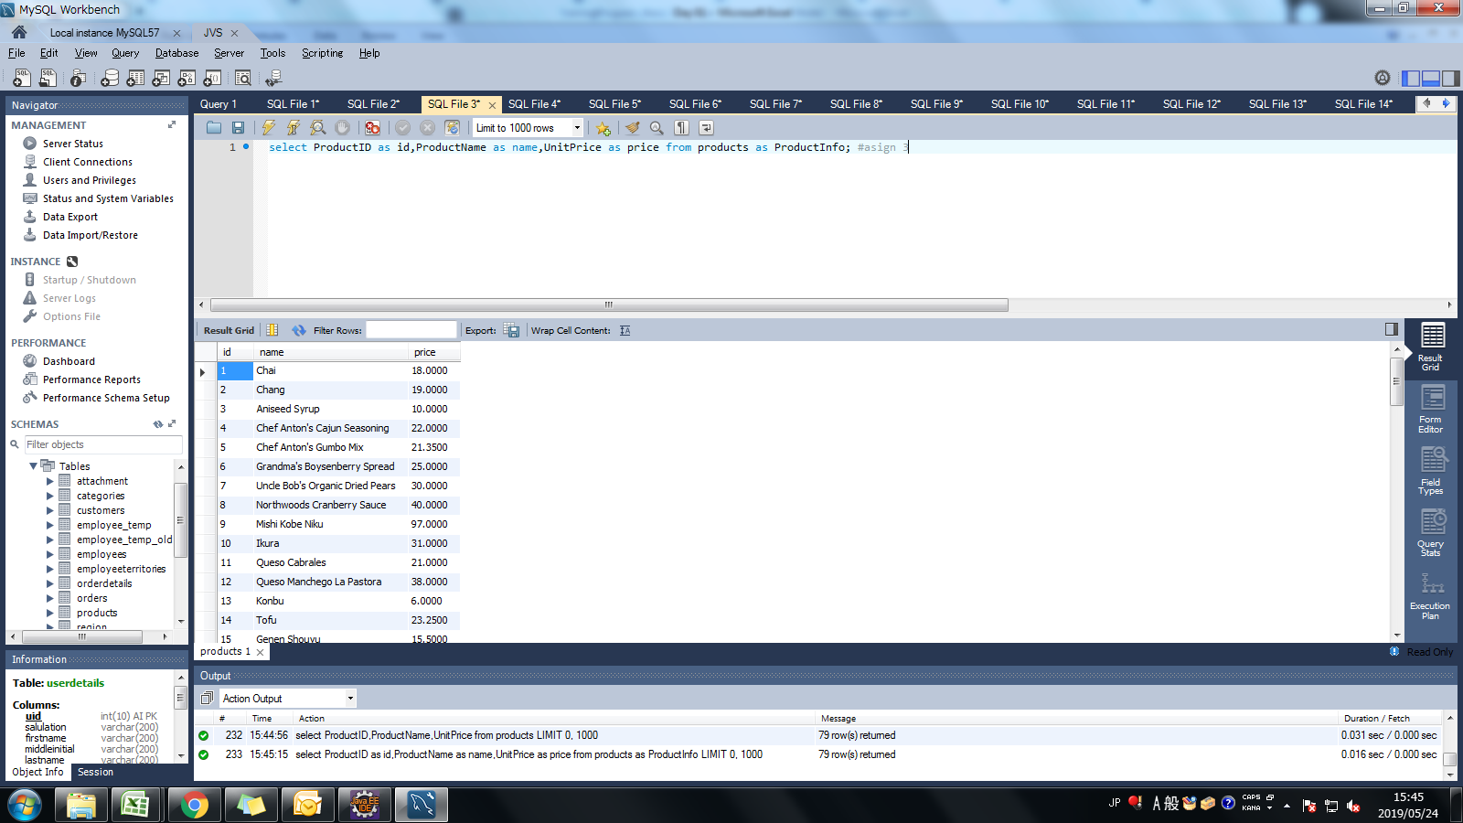
Assignment: | List product id, product name, unit price from products table. Change column name in output as below. product id -> id product name -> name unit price -> price Note: Check alise for Table Name too

Query: | select ProductID as id,ProductName as name,UnitPrice as price from products as ProductInfo;

Screen Shoot:

Assignment 4
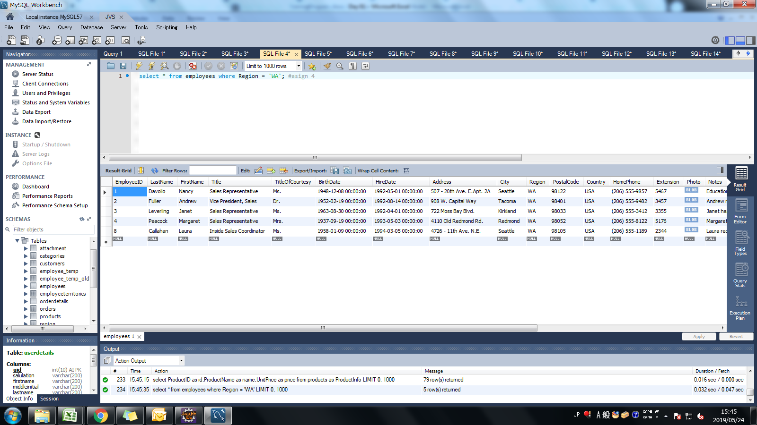
Assignment: | Write sql query to display all employees in "WA" region. (Use "=" Operator)

Query: | select * from employees where Region = 'WA';

Screen Shoot:

Assignment 5
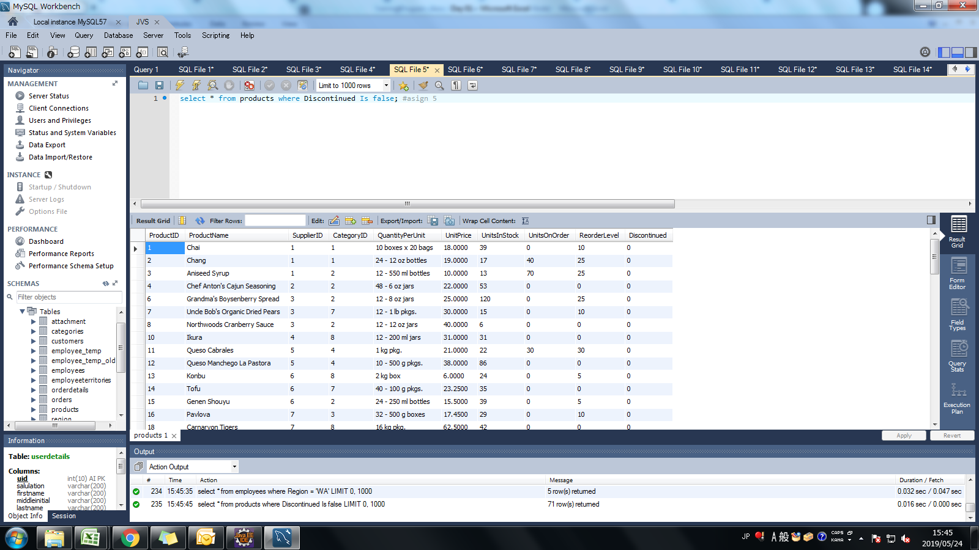
Assignment: | Write sql query to display all products which are still continued. (Use IS Operator)

Query: | select * from products where Discontinued Is false;

Screen Shoot:

Assignment 6
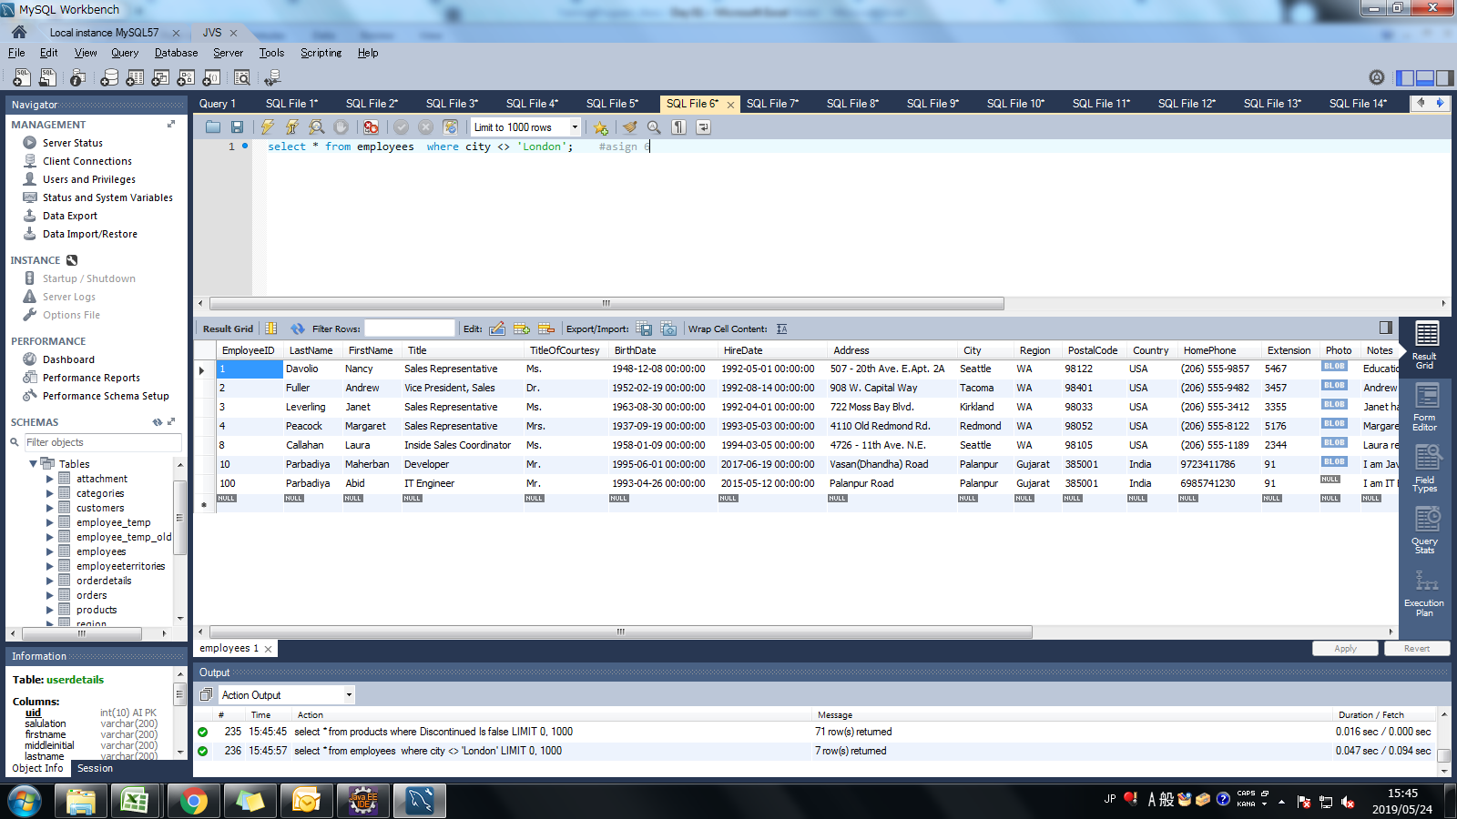
Assignment: | Write sql query to display all employees outside of london. (Use <> Operator)

Query: | select * from employees where city <> 'London';

Screen Shoot:

Assignment 7
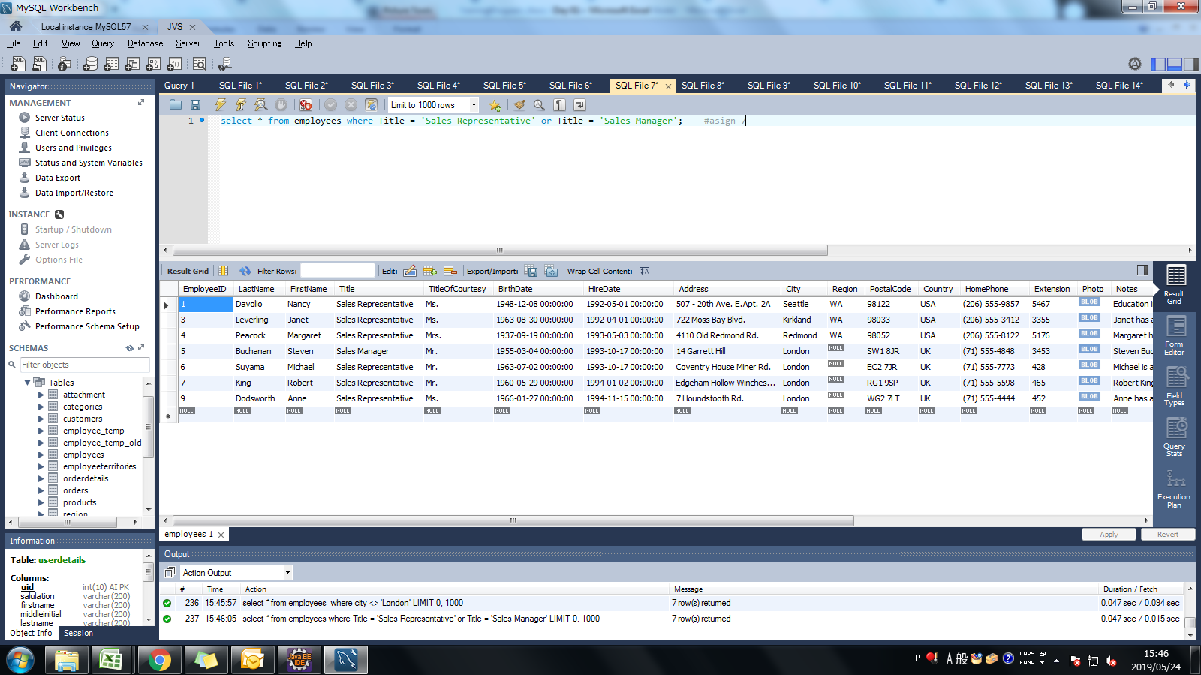
Assignment: | Find a employees who are either Sales Representative or Sales Manager

Query: | select * from employees where Title = 'Sales Representative' or Title = 'Sales Manager';

Screen Shoot:

Assignment 8
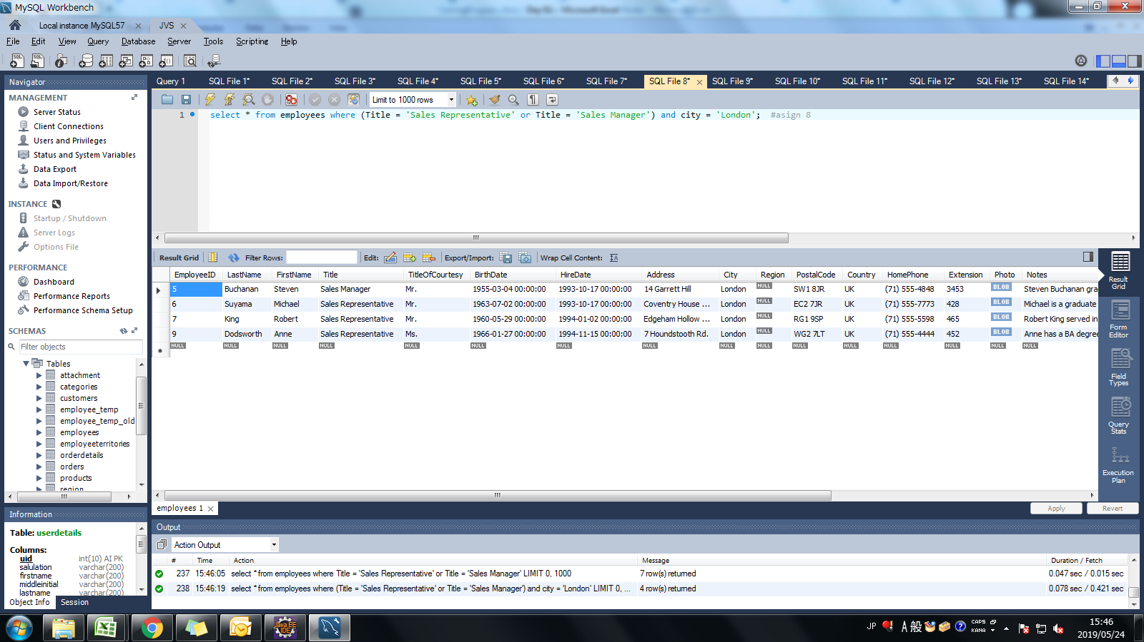
Assignment: | Find a employees who are either Sales Representative or Sales Manager and from london city.

Query: | select * from employees where (Title = 'Sales Representative' or Title = 'Sales Manager') and city = 'London';

Screen Shoot:

Assignment 9
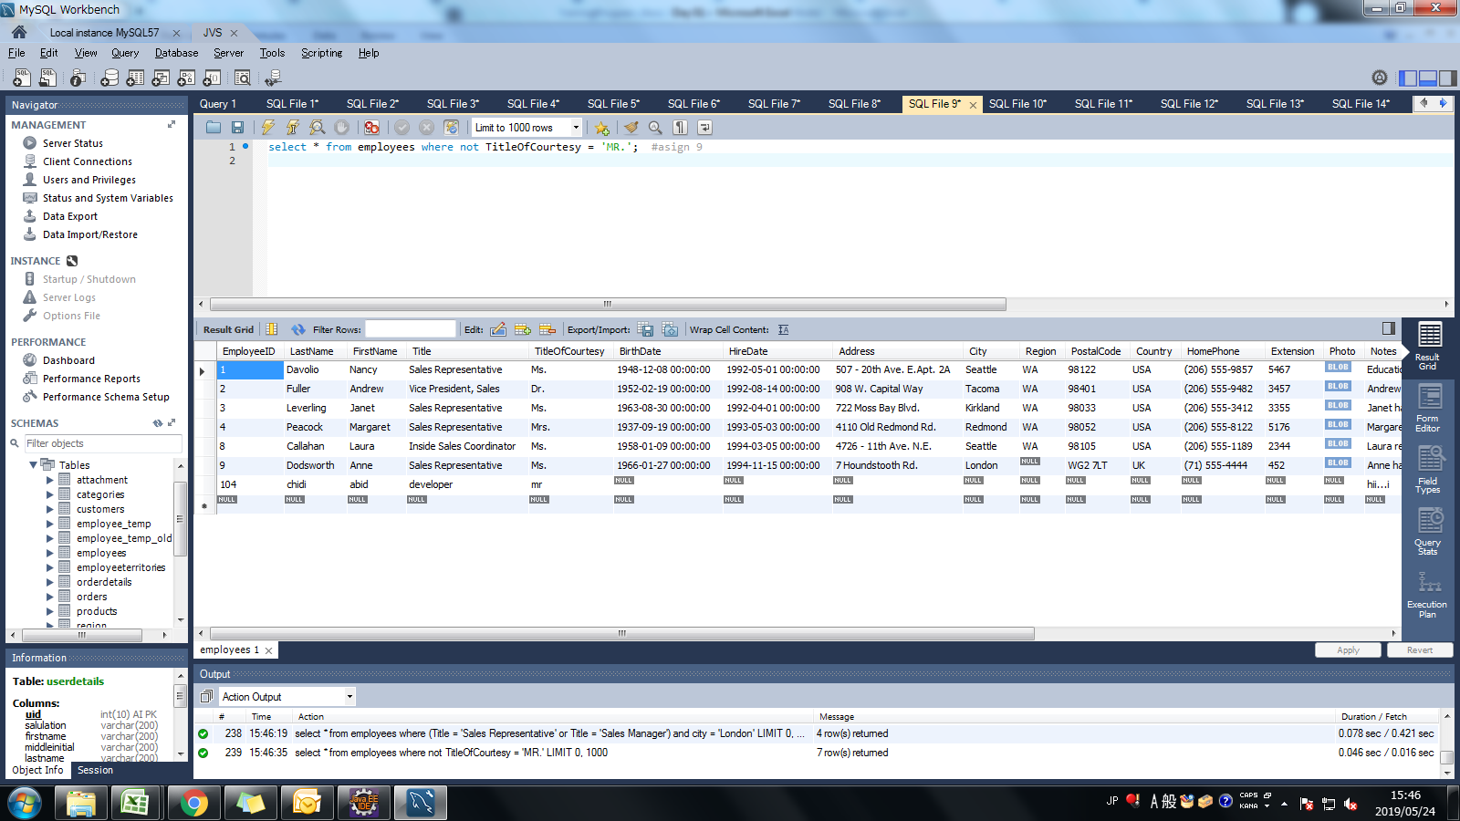
Assignment: | Find a employees whoes TitleOfCourtesy is not "Mr." (Use NOT Operator)

Query: | select * from employees where not TitleOfCourtesy = 'MR.';

Screen Shoot:

Assignment 10
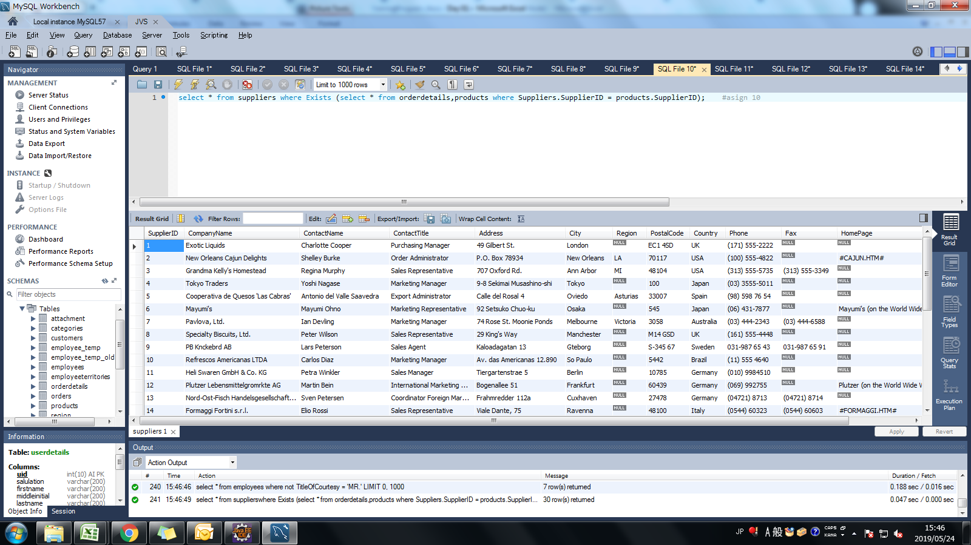
Assignment: | Select all records from the suppliers table where there is at least one record in the orders table with the same supplier_id. (Use Exists Operator)

Query: | select * from suppliers where Exists (select * from orderdetails,products where Suppliers.SupplierID = products.SupplierID);

Screen Shoot:

Assignment 11
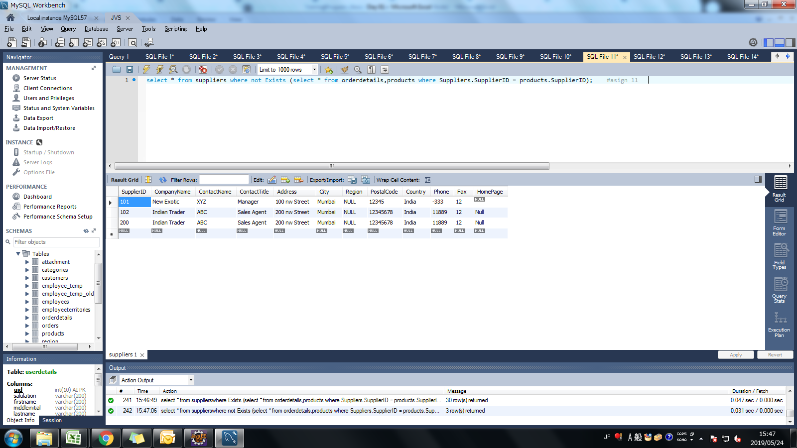
Assignment: | Select all records from the suppliers table where there are no records in the orders table for the given supplier_id.

Query: | select * from suppliers where not Exists (select * from orderdetails,products where Suppliers.SupplierID = products.SupplierID);

Screen Shoot:

Assignment 12
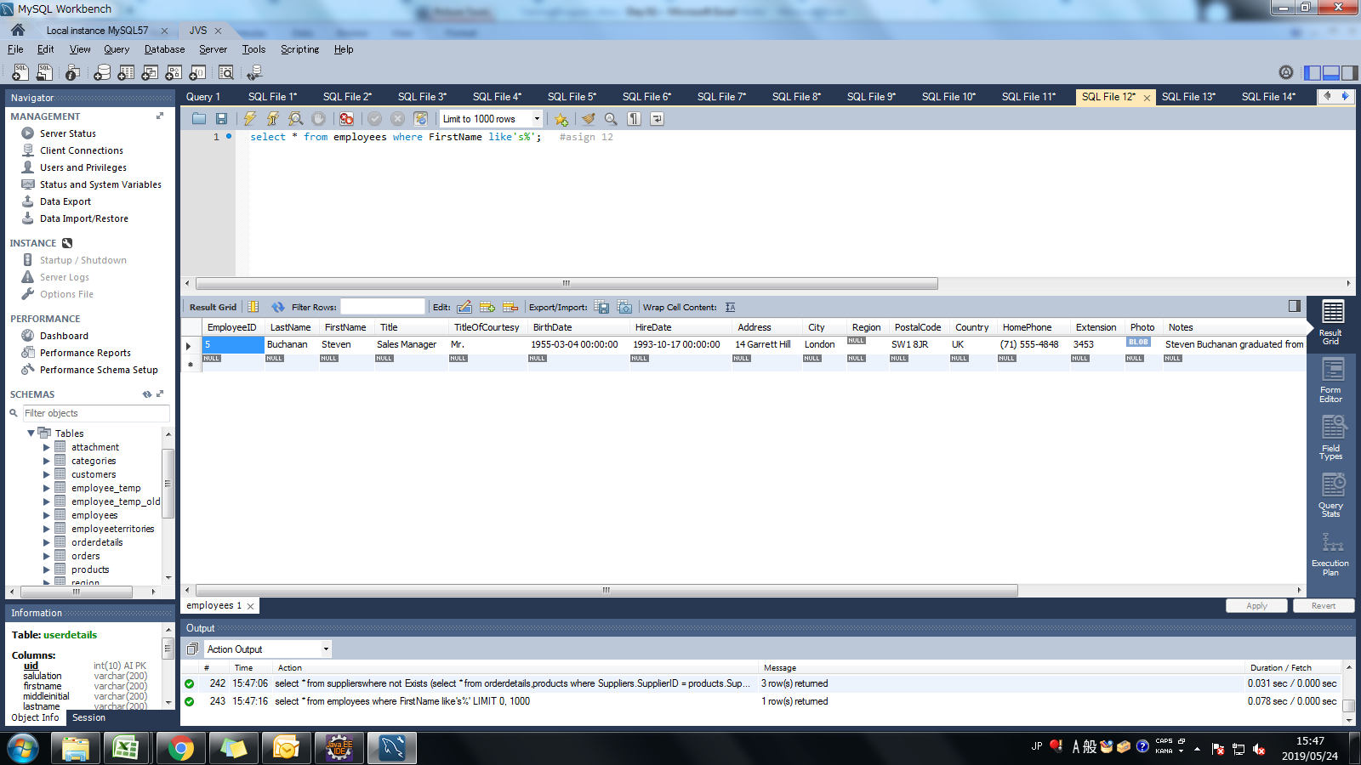
Assignment: | Select all employees whose first name begins with 'S'

Query: | select * from employees where FirstName like 's%';

Screen Shoot:

Assignment 13

Assignment: | Select all employees whose first name's second character is 'a'.

Query: | select * from employees where FirstName like '_a%';

Screen Shoot:

Assignment 14
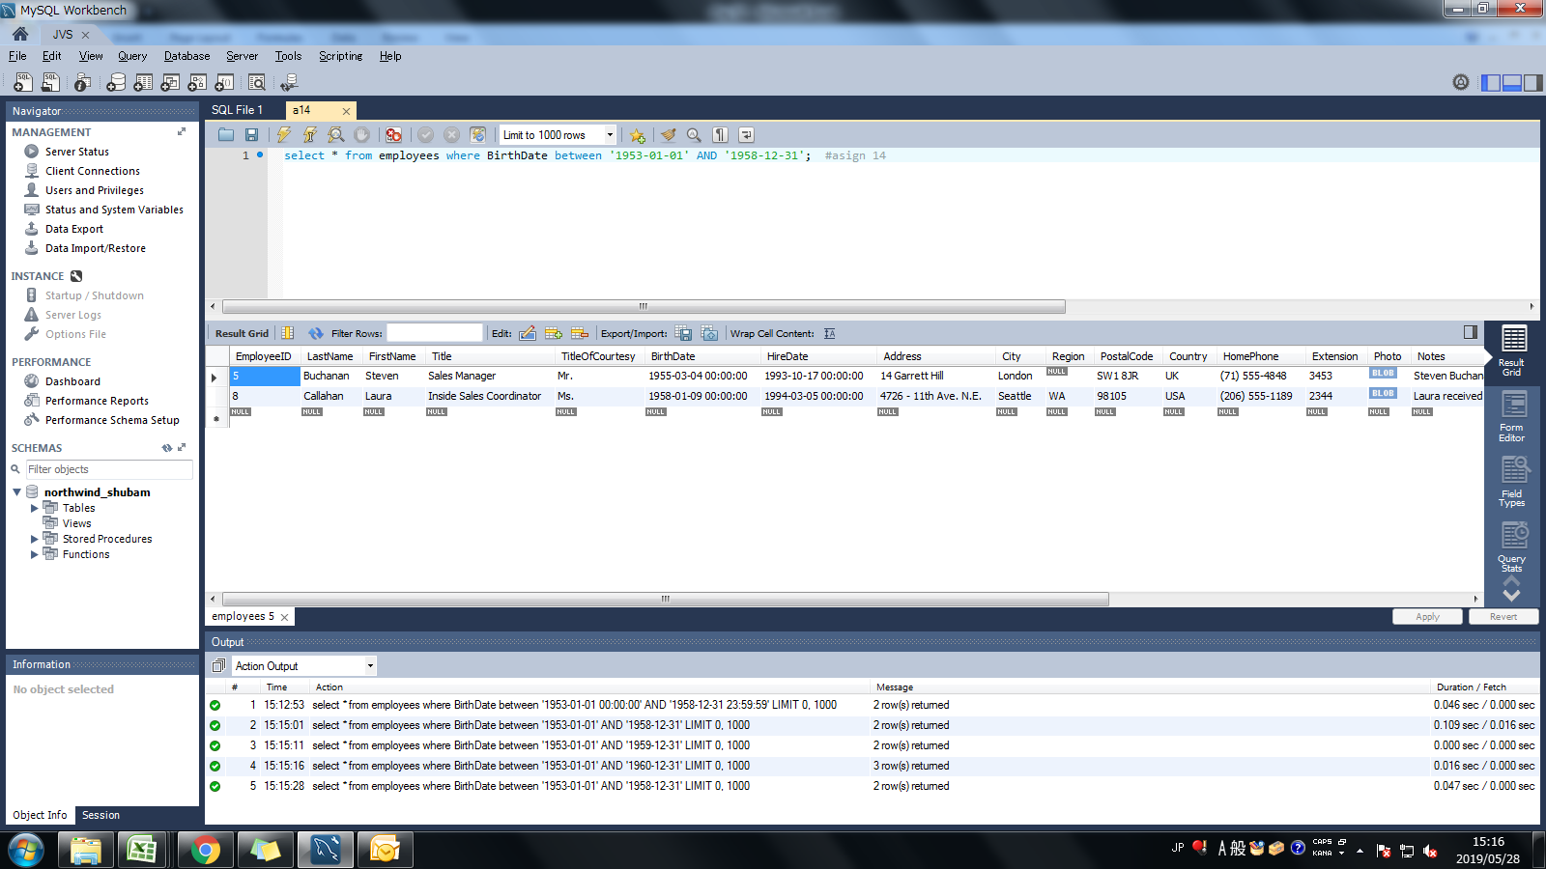
Assignment: | Find all employees whose birthdate is between 1953 to 1958.

Query: | select * from employees where BirthDate between '1953-01-01' AND '1958-12-31';

Screen Shoot:

Assignment 15

Assignment: | Find a employees who are either Sales Representative or Sales Manager (Use IN Operator)

Query: | select * from employees where Title in ('Sales Representative' , 'Sales Manager');

Screen Shoot:

Assignment 16
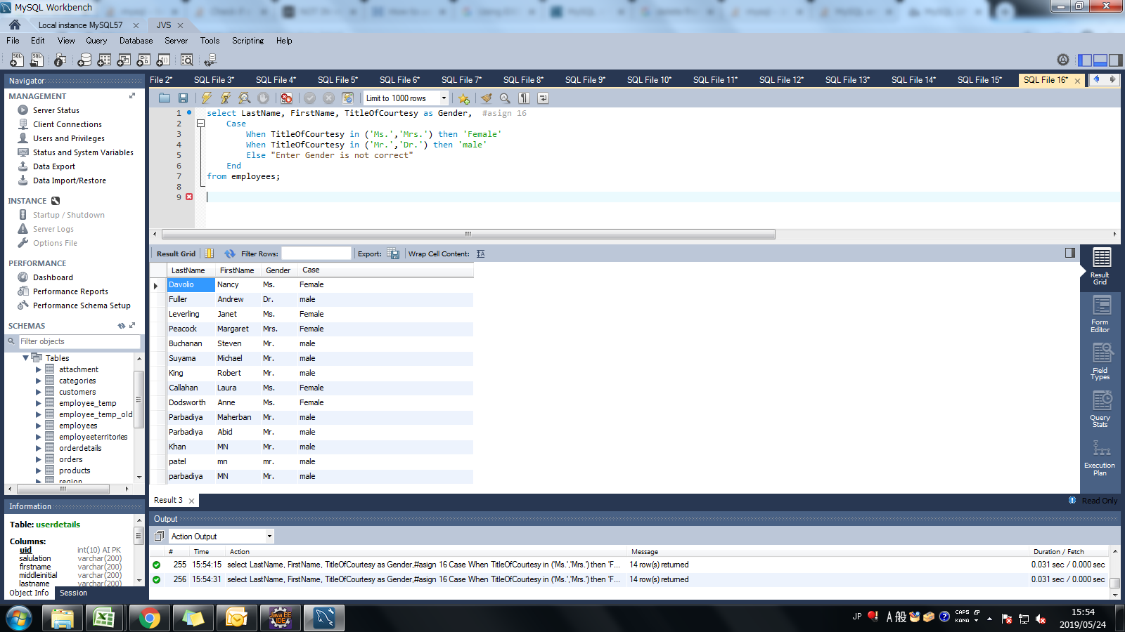
Assignment: | Display LastName, FirstName and Gender from Employees Table. Gender will be based on following Criteria.
 | If TitleOfCourtesy is Ms. Mrs. then display "Female"
 | If TitleOfCourtesy is Dr. Mr. then display "Male"
 | Use Case Statement

Query: | select LastName, FirstName, TitleOfCourtesy as Gender , Case When TitleOfCourtesy in ('Ms.','Mrs.') then 'Female' When TitleOfCourtesy in ('Mr.','Dr.') then 'male' Else "Enter Gender is not correct" End from employees

Screen Shoot:

